Sheet1
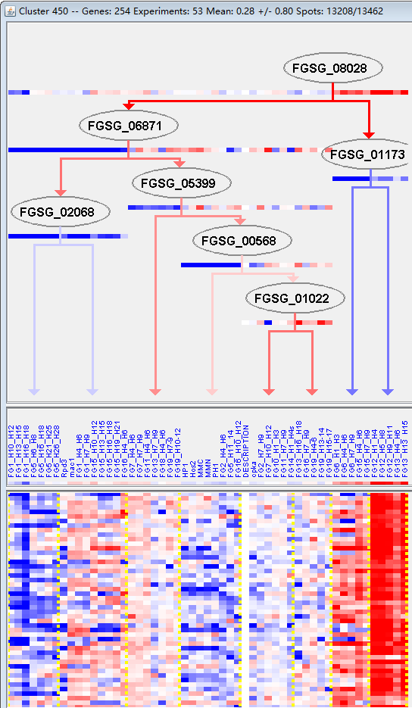
k | Filter | FUNCTIONAL CATEGORY | abs SET | rel SET | genes SET | abs GENOME | rel GENOME | rel SET/rel GENOME | P-VALUE | Bonferroni_corr | FDR
99 UNCLASSIFIED PROTEINS | 143 | 68.7 | FGSG_00038 FGSG_00091 FGSG_00124 FGSG_11689 FGSG_11732 FGSG_00255 FGSG_00432 FGSG_11775 FGSG_11796 FGSG_00784 FGSG_11837 FGSG_11844 FGSG_00859 FGSG_11849 FGSG_00942 FGSG_00943 FGSG_11935 FGSG_11951 FGSG_01517 FGSG_11972 FGSG_01611 FGSG_01635 FGSG_01706 FGSG_01754 FGSG_01783 FGSG_01858 FGSG_01984 FGSG_12061 FGSG_12077 FGSG_02181 FGSG_12087 FGSG_12121 FGSG_02377 FGSG_02429 FGSG_02568 FGSG_02618 FGSG_02635 FGSG_11586 FGSG_04450 FGSG_04390 FGSG_04142 FGSG_04075 FGSG_12317 FGSG_12323 FGSG_03758 FGSG_03689 FGSG_03682 FGSG_03614 FGSG_03493 FGSG_03453 FGSG_03403 FGSG_12467 FGSG_03298 FGSG_03222 FGSG_03131 FGSG_02813 FGSG_04727 FGSG_04748 FGSG_12612 FGSG_04836 FGSG_04918 FGSG_12719 FGSG_05536 FGSG_12787 FGSG_05694 FGSG_05758 FGSG_05783 FGSG_05816 FGSG_05885 FGSG_12838 FGSG_06106 FGSG_06249 FGSG_12912 FGSG_06433 FGSG_12925 FGSG_06488 FGSG_06625 FGSG_06665 FGSG_12991 FGSG_12992 FGSG_13042 FGSG_13054 FGSG_13055 FGSG_13095 FGSG_13100 FGSG_07321 FGSG_13143 FGSG_07403 FGSG_13147 FGSG_07605 FGSG_07686 FGSG_07699 FGSG_07764 FGSG_07766 FGSG_08918 FGSG_13270 FGSG_08853 FGSG_13331 FGSG_13342 FGSG_08512 FGSG_08364 FGSG_13395 FGSG_13397 FGSG_08293 FGSG_08269 FGSG_13406 FGSG_08251 FGSG_13431 FGSG_08106 FGSG_08100 FGSG_08030 FGSG_07996 FGSG_07972 FGSG_13471 FGSG_08990 FGSG_09095 FGSG_09161 FGSG_09302 FGSG_13554 FGSG_09343 FGSG_13568 FGSG_13571 FGSG_13575 FGSG_13592 FGSG_09468 FGSG_13624 FGSG_09679 FGSG_09680 FGSG_13643 FGSG_09923 FGSG_13768 FGSG_10644 FGSG_10663 FGSG_10711 FGSG_10715 FGSG_10877 FGSG_13915 FGSG_11493 FGSG_11436 FGSG_11426 FGSG_11393 FGSG_11354 FGSG_11281 | 7238 | 52.3 | 1.313575526 | 9.40E-07
01.06.02.03 sphingolipid metabolism | 2 | 0.96 | FGSG_12251 FGSG_11123 | 8 | 0.05 | 19.2 | 0.005941451
01.05.03 polysaccharide metabolism | 10 | 4.8 | FGSG_00783 FGSG_12251 FGSG_03713 FGSG_03384 FGSG_07593 FGSG_08126 FGSG_09118 FGSG_10619 FGSG_11123 FGSG_13975 | 291 | 2.1 | 2.285714286 | 0.012772159
01.01.03.05.02 degradation of arginine | 2 | 0.96 | FGSG_04673 FGSG_04968 | 14 | 0.1 | 9.6 | 0.018198217
01.01.13 regulation of amino acid metabolism | 4 | 1.92 | FGSG_00011 FGSG_04629 FGSG_05984 FGSG_07188 | 68 | 0.49 | 3.918367347 | 0.01917106
32.05.05 virulence, disease factors | 8 | 3.84 | FGSG_02394 FGSG_04599 FGSG_03800 FGSG_04694 FGSG_06541 FGSG_13231 FGSG_09118 FGSG_13975 | 222 | 1.6 | 2.4 | 0.019219508
01.02.03 sulfur metabolism | 2 | 0.96 | FGSG_12251 FGSG_11123 | 18 | 0.13 | 7.384615385 | 0.02941855
01.01.11.01.01 biosynthesis of alanine | 1 | 0.48 | FGSG_00109 | 2 | 0.01 | 48 | 0.029862986
01.01.11.01.02 degradation of alanine | 1 | 0.48 | FGSG_00109 | 2 | 0.01 | 48 | 0.029862986
20.01.09 peptide transport | 2 | 0.96 | FGSG_06562 FGSG_13470 | 22 | 0.15 | 6.4 | 0.042714048

99未分类蛋白质
01.06.02.03鞘脂类代谢

